Res1
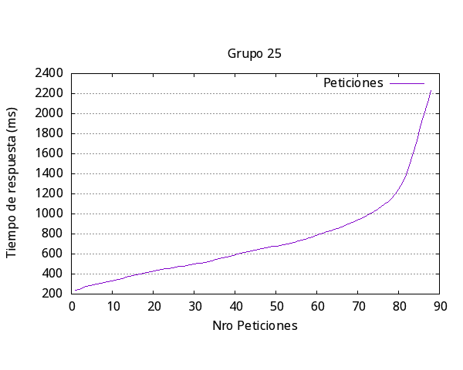
Media por solicitud | 4533ms
Solicitud mas rápida | 568ms
Solicitud mas lenta | 6803ms
Request fallidas | 0
Request por segundo | 2.21

Número de request | 100
Concurrencia | 10

Res2
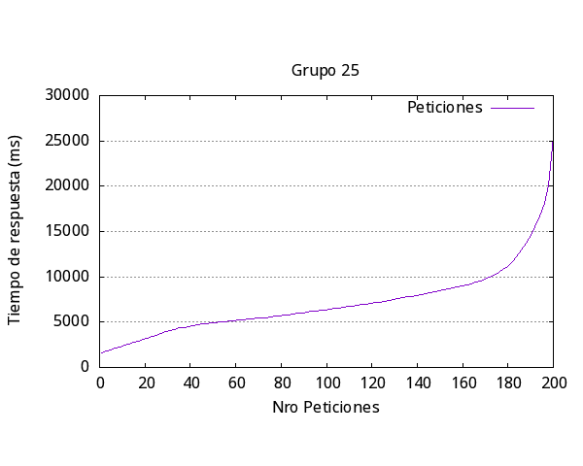

Media por solicitud | 7472
Solicitud mas rápida | 305
Solicitud mas lenta | 12283
Request fallidas | 0
Request por segundo | 2.68

Número de request | 200
Concurrencia | 20

Res3
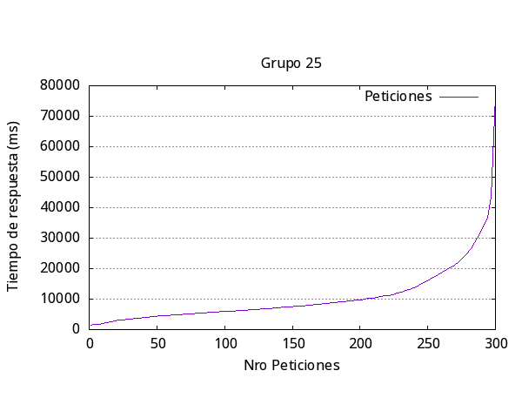

Media por solicitud | 11453
Solicitud mas rápida | 312
Solicitud mas lenta | 8346
Request fallidas | 0
Request por segundo | 2.62

Número de request | 300
Concurrencia | 30

Res4
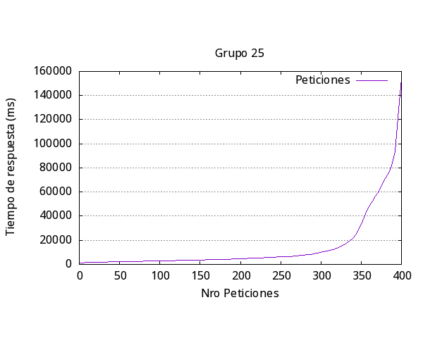

Media por solicitud | 16566
Solicitud mas rápida | 297
Solicitud mas lenta | 8237
Request fallidas | 18
Request por segundo | 2.41

Número de request | 400
Concurrencia | 40

Res5
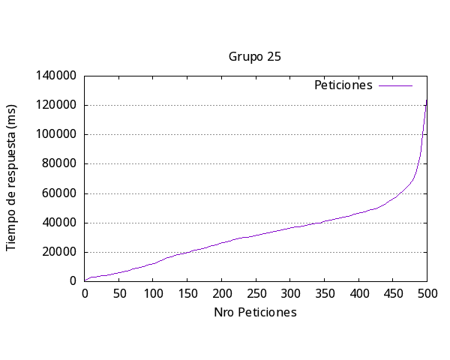

Media por solicitud | 34065
Solicitud mas rápida | 383
Solicitud mas lenta | 24665
Request fallidas | 28
Request por segundo | 2.94

Número de request | 500
Concurrencia | 100

General
Iteración | Media respuesta (ms) | Más Rápida (ms) | Más Lenta (ms) | Request Fallidas | Request por segundo | Número request | Concurrencia

1 | 4533 | 568 | 6803 | 0 | 2.21 | 100 | 10
2 | 7472 | 305 | 12283 | 0 | 2.68 | 200 | 20
3 | 11453 | 312 | 8346 | 0 | 2.62 | 300 | 30
4 | 16566 | 297 | 8237 | 18 | 2.41 | 400 | 40
5 | 34065 | 383 | 24665 | 28 | 2.994 | 500 | 100
Promedio | 14817.8 | 373 | 12066.8 | 9.2 | 2.5828

Respuesta más lenta por Iteración Experimento #2

